Functional requirement document
Context
As a Test Engineer ,create a functional requirement document for mobile application in OTT streaming

Instructions:
[MANDATORY] Generate a 3 page report
[CRITICAL] USE latest available android and ios phones compared data
[CRIRICAL] USE Adlite and adfree subscribers data
[CRITICAL] Ask me 5 MCQ'S for creating the report One by One

Page 1: Introduction and Device Compatibility Requirements

1. Purpose

The purpose of this document is to define functional requirements for the OTT mobile streaming application supporting Android and iOS platforms. The application enables users to stream video content, manage subscriptions, and access Ad-Lite or Ad-Free experiences.

This document provides functional flows, device compatibility, subscription handling, advertisement logic, and streaming requirements.

2. Scope

The OTT mobile application shall support:

User authentication (Email, OTP, Social login)

Video streaming up to 4K UHD

Ad-Lite and Ad-Free subscription models

Advertisement playback for Ad-Lite users

Cross-platform compatibility (Android and iOS)

Adaptive bitrate streaming

Secure content playback

3. Latest Device Compatibility Requirements (2025–2026)

Android Flagship Devices

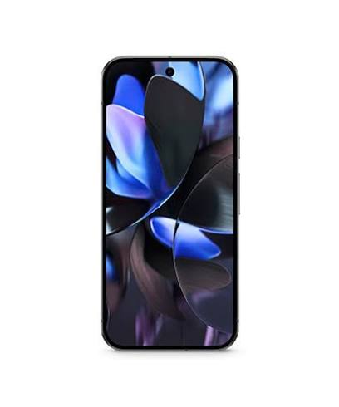
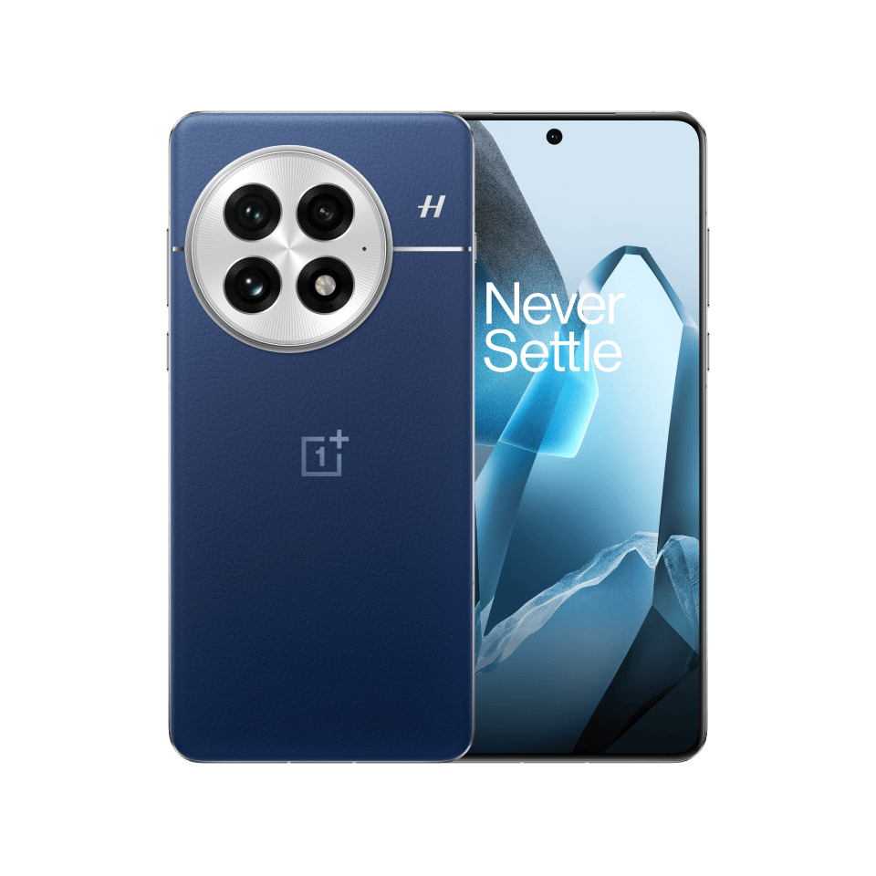
4

Supported Android OS: Android 12, 13, 14, 15
Minimum Supported Android Version: Android 10

Parameter | Requirement
RAM | Minimum 4 GB, Recommended 8 GB+
Processor | Snapdragon 8 Gen 2 or higher
Resolution | Up to 3200 × 1440
HDR Support | HDR10, HDR10+, Dolby Vision
Network | 4G, 5G, WiFi 6/6E
DRM | Widevine L1 mandatory

iOS Flagship Devices

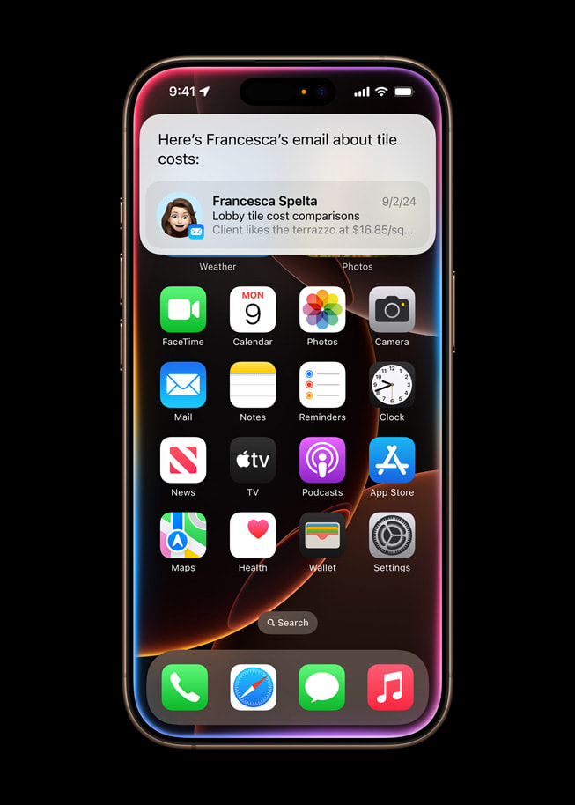
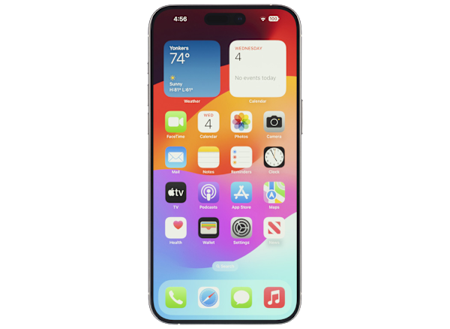
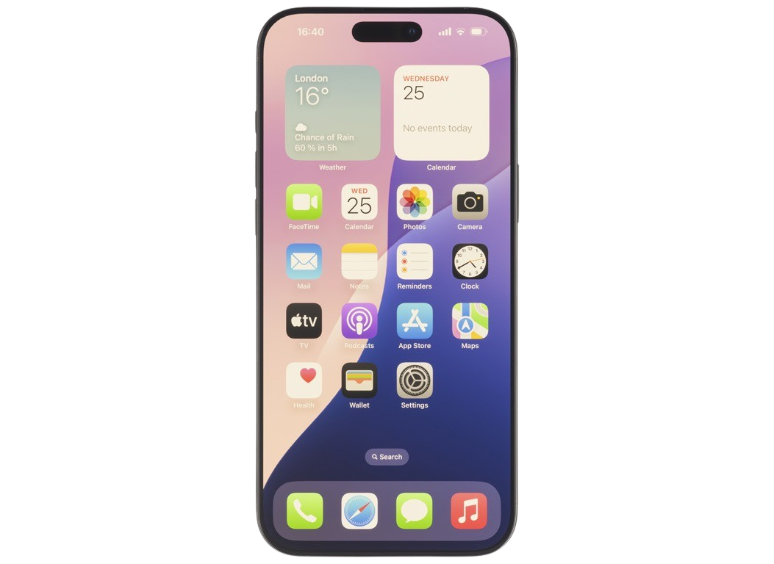
4

Supported iOS Versions: iOS 17, iOS 18
Minimum Supported Version: iOS 15

Parameter | Requirement
Device | iPhone 13 and above
Processor | A15 Bionic or higher
Resolution | Up to 2796 × 1290
HDR Support | Dolby Vision
DRM | FairPlay DRM mandatory
Network | 5G, WiFi 6E

4. User Roles

Role | Description
Guest User | User without login
Registered User | User with account
Ad-Lite Subscriber | Paid user with ads
Ad-Free Subscriber | Paid user without ads

Page 2: Functional Requirements

5. User Authentication Requirements

FR-AUTH-001: User Registration

The system shall allow user registration using:

Email and Password

Mobile Number with OTP

Google Login (Android)

Apple Login (iOS)

Facebook Login

FR-AUTH-002: Login

The system shall allow users to login using:

Email and Password

OTP Login

Social Login

FR-AUTH-003: Session Management

The system shall:

Maintain login session for 30 days

Allow logout functionality

Support multiple device login

6. Video Playback Requirements

FR-PLAY-001: Video Streaming

The system shall allow video playback in:

240p

480p

720p

1080p

4K UHD

FR-PLAY-002: Adaptive Bitrate Streaming

The system shall automatically adjust video quality based on:

Network speed

Device capability

CPU performance

FR-PLAY-003: Playback Controls

The system shall provide:

Play / Pause

Seek Forward / Backward

Volume Control

Subtitle selection

Audio language selection

7. Search and Content Discovery

FR-SEARCH-001: Content Search

The system shall allow search using:

Title

Actor

Genre

Language

FR-SEARCH-002: Recommendations

The system shall display:

Trending content

Recommended content

Recently watched content

Page 3: Subscription and Advertisement Requirements

8. Subscription Functional Requirements

Subscription Types

Subscription Type | Ads | Price
Ad-Lite | Yes | Lower price
Ad-Free | No | Higher price

FR-SUB-001: Subscription Purchase

The system shall allow subscription purchase using:

Android:

Google Play Billing

iOS:

Apple In-App Purchase

FR-SUB-002: Subscription Validation

The system shall validate subscription using:

Google Billing API

Apple StoreKit API

FR-SUB-003: Subscription Upgrade

The system shall allow upgrade from Ad-Lite to Ad-Free.

9. Advertisement Functional Requirements (Ad-Lite Users Only)

FR-ADS-001: Pre-Roll Ads

The system shall display ads before video playback.

FR-ADS-002: Mid-Roll Ads

The system shall display ads during video playback.

FR-ADS-003: Post-Roll Ads

The system shall display ads after video playback.

FR-ADS-004: Ad-Free Subscriber Behavior

The system shall NOT display ads for Ad-Free subscribers.

10. Platform-Specific Functional Requirements

Android Requirements

Requirement ID | Description
FR-AND-001 | Support Widevine DRM
FR-AND-002 | Support Android background playback
FR-AND-003 | Support Picture-in-Picture mode

iOS Requirements

Requirement ID | Description
FR-IOS-001 | Support FairPlay DRM
FR-IOS-002 | Support Picture-in-Picture
FR-IOS-003 | Support Apple Sign-In

11. Performance Requirements

Requirement | Value
App Launch Time | ≤ 3 seconds
Video Start Time | ≤ 2 seconds
Crash Rate | < 1%
Buffering Ratio | < 2%

12. Security Requirements

The system shall:

Encrypt user data

Use HTTPS communication

Use DRM for video protection

Prevent screen recording

13. Test Engineer Validation Scenarios

Test Engineer shall verify:

Login functionality

Subscription purchase

Ad playback for Ad-Lite users

No ads for Ad-Free users

Playback quality switching

Cross-device compatibility

DRM playback validation

resume
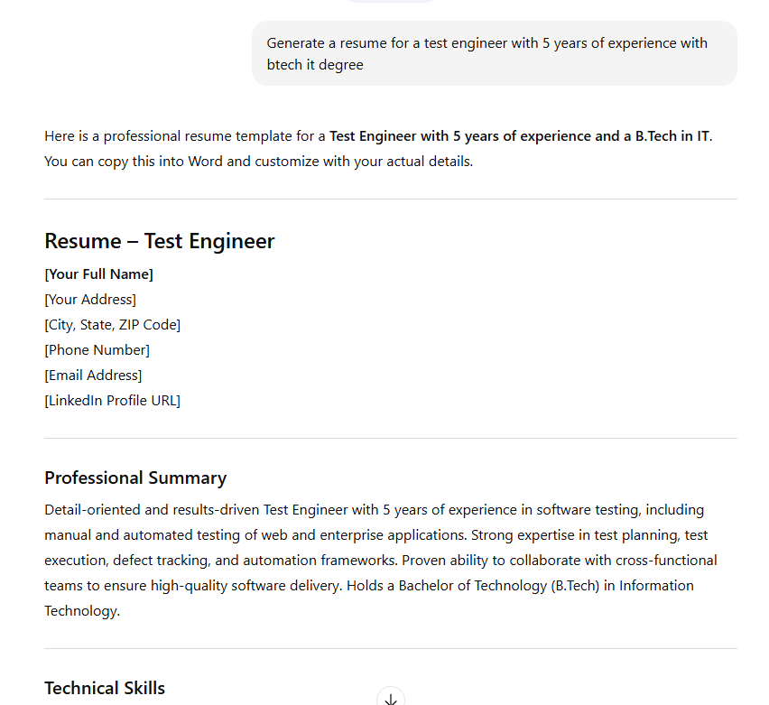
Resume generation using normal prompt & emotional prompt

Emotional | https://chatgpt.com/s/t_6990a60ad6e88191b4461bef5c3c362c

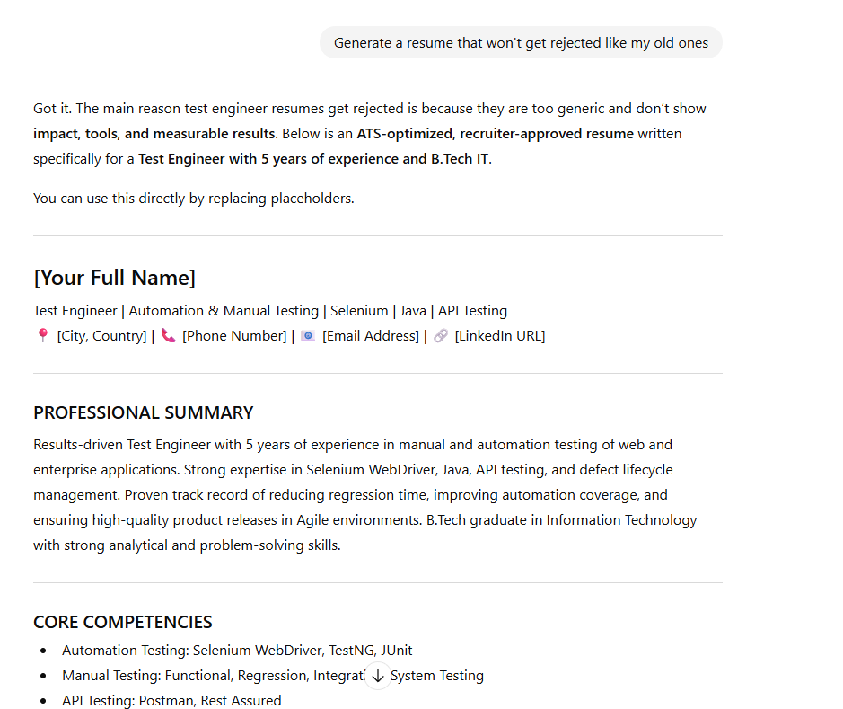

Normal | https://chatgpt.com/s/t_6990a69f1da881918815d031d3a1e9b4

